HPI Ex
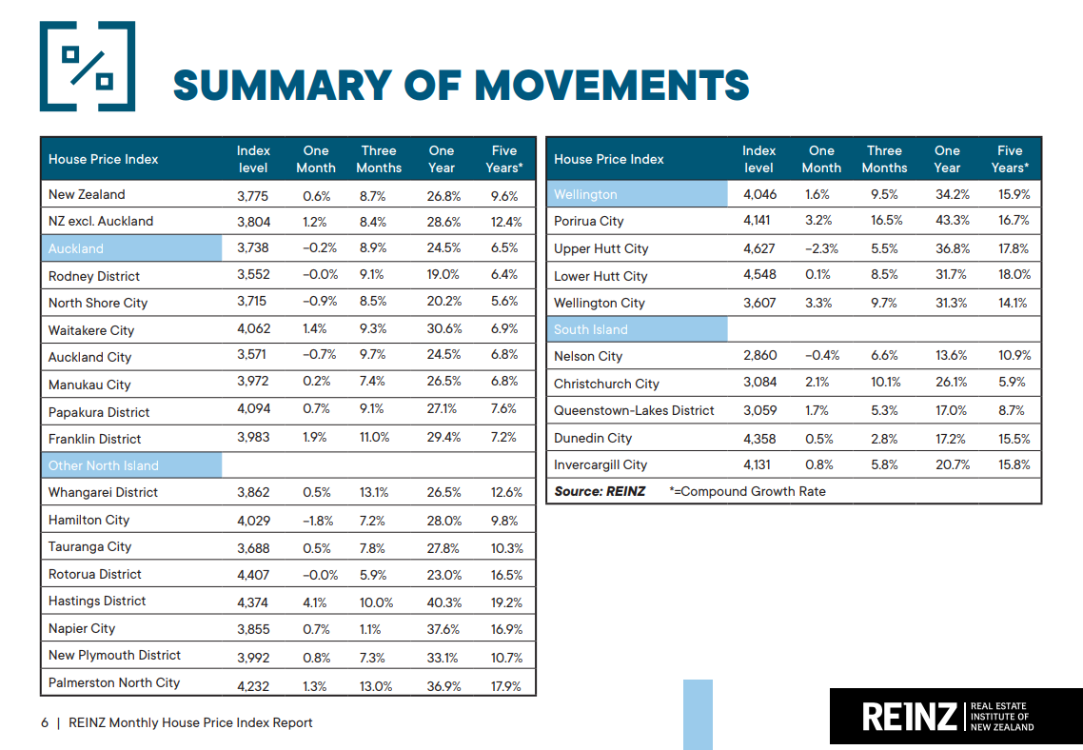

Hse Portfolio Template
 | Nov-20 | Dec-20 | Jan-21 | Feb-21 | Mar-21 | Apr-21 | May-21 | Jun-21 | Jul-21 | Aug-21
New Zealand House Price Index by Territorial Authority
Rodney District | 3182 | 3230 | 3258 | 3424 | 3563 | 3552 | 3599 | 3705
North Shore City | 3395 | 3452 | 3425 | 3615 | 3751 | 3715 | 3671 | 3703
Waitakere City | 3632 | 3689 | 3723 | 3890 | 4005 | 4062 | 4068 | 4104
Auckland City | 3283 | 3339 | 3262 | 3577 | 3599 | 3571 | 3620 | 3590
Manukau City | 3556 | 3659 | 3707 | 3827 | 3963 | 3972 | 3966 | 4004
Papakura District | 3627 | 3732 | 3749 | 3920 | 4104 | 4094 | 4064 | 4144
Franklin District | 3508 | 3528 | 3587 | 3839 | 3920 | 3983 | 4046 | 4056
Whangarei District | 3422 | 3552 | 3416 | 3708 | 3827 | 3862 | 3887 | 3859
Hamilton City | 3636 | 3671 | 3760 | 3931 | 4108 | 4029 | 4160 | 4184
Tauranga City | 3261 | 3375 | 3421 | 3596 | 3664 | 3688 | 3706 | 3864
Rotorua District | 3898 | 4028 | 4157 | 4277 | 4413 | 4407 | 4499 | 4459
Hastings District | 3650 | 3746 | 3990 | 4087 | 4236 | 4374 | 4328 | 4266
Napier City | 3352 | 3397 | 3811 | 3800 | 3838 | 3855 | 3875 | 4024
New Plymouth District | 3554 | 3626 | 3705 | 3798 | 3981 | 3992 | 4095 | 4092
Palmerston North City | 3222 | 3331 | 3774 | 3978 | 4199 | 4232 | 4278 | 4365
Porirua City | 3537 | 3589 | 3695 | 3880 | 4014 | 4141 | 4140 | 4087
Upper Hutt City | 4161 | 4209 | 4385 | 4624 | 4726 | 4627 | 4774 | 4817
Lower Hutt City | 3925 | 3982 | 4190 | 4260 | 4559 | 4548 | 4557 | 4558
Wellington City | 2975 | 3065 | 3300 | 3488 | 3483 | 3607 | 3621 | 3737
Nelson City | 2643 | 2702 | 2708 | 2781 | 2912 | 2860 | 2988 | 3013
Christchurch City | 2701 | 2768 | 2804 | 2932 | 3025 | 3084 | 3122 | 3147
Queenstown-Lakes District | 2822 | 2932 | 2952 | 2977 | 2987 | 3059 | 3009 | 3065
Dunedin City | 3842 | 3888 | 4240 | 4316 | 4305 | 4358 | 4424 | 4452
Invercargill City | 3754 | 3773 | 3912 | 3954 | 4092 | 4131 | 4096 | 4172

Source: REINZ Residential Property Data - Housing Price Index - Summary of Movements at https://www.reinz.co.nz/residential-property-data-gallery

Month-on-Month Return of House Prices at TA, New Zealand, Mar - Apr 2021
New Zealand House Price Index Month-on-Month Change by Territorial Authority
Rodney District |  | 1.5% | 0.9% | 5.1% | 4.1% | -0.3% | 1.3% | 2.9%
North Shore City |  | 1.7% | -0.8% | 5.5% | 3.8% | -1.0% | -1.2% | 0.9%
Waitakere City |  | 1.6% | 0.9% | 4.5% | 3.0% | 1.4% | 0.1% | 0.9%
Auckland City |  | 1.7% | -2.3% | 9.7% | 0.6% | -0.8% | 1.4% | -0.8%
Manukau City |  | 2.9% | 1.3% | 3.2% | 3.6% | 0.2% | -0.2% | 1.0%
Papakura District |  | 2.9% | 0.5% | 4.6% | 4.7% | -0.2% | -0.7% | 2.0%
Franklin District |  | 0.6% | 1.7% | 7.0% | 2.1% | 1.6% | 1.6% | 0.2%
Whangarei District |  | 3.8% | -3.8% | 8.5% | 3.2% | 0.9% | 0.6% | -0.7%
Hamilton City |  | 1.0% | 2.4% | 4.5% | 4.5% | -1.9% | 3.3% | 0.6%
Tauranga City |  | 3.5% | 1.4% | 5.1% | 1.9% | 0.7% | 0.5% | 4.3%
Rotorua District |  | 3.3% | 3.2% | 2.9% | 3.2% | -0.1% | 2.1% | -0.9%
Hastings District |  | 2.6% | 6.5% | 2.4% | 3.6% | 3.3% | -1.1% | -1.4%
Napier City |  | 1.3% | 12.2% | -0.3% | 1.0% | 0.4% | 0.5% | 3.8%
New Plymouth District |  | 2.0% | 2.2% | 2.5% | 4.8% | 0.3% | 2.6% | -0.1%
Palmerston North City |  | 3.4% | 13.3% | 5.4% | 5.6% | 0.8% | 1.1% | 2.0%
Porirua City |  | 1.5% | 3.0% | 5.0% | 3.5% | 3.2% | 0.0% | -1.3%
Upper Hutt City |  | 1.2% | 4.2% | 5.5% | 2.2% | -2.1% | 3.2% | 0.9%
Lower Hutt City |  | 1.5% | 5.2% | 1.7% | 7.0% | -0.2% | 0.2% | 0.0%
Wellington City |  | 3.0% | 7.7% | 5.7% | -0.1% | 3.6% | 0.4% | 3.2%
Nelson City |  | 2.2% | 0.2% | 2.7% | 4.7% | -1.8% | 4.5% | 0.8%
Christchurch City |  | 2.5% | 1.3% | 4.6% | 3.2% | 2.0% | 1.2% | 0.8%
Queenstown-Lakes District |  | 3.9% | 0.7% | 0.8% | 0.3% | 2.4% | -1.6% | 1.9%
Dunedin City |  | 1.2% | 9.1% | 1.8% | -0.3% | 1.2% | 1.5% | 0.6%
Invercargill City |  | 0.5% | 3.7% | 1.1% | 3.5% | 1.0% | -0.8% | 1.9%
Average |  | 2.1% | 3.1% | 4.1% | 3.1% | 0.6% | 0.9% | 1.0%

A Template for Allocating Funding % on Housing Properties at Different TA (0% - 100%)
 | Nov-20 | Dec-20 | Jan-21 | Feb-21 | Mar-21 | Apr-21 | May-21 | Jun-21
Rodney District
North Shore City
Waitakere City | 20
Auckland City | 40 | 90 |  |  |  | 20 | 40
Manukau City | 5
Papakura District
Franklin District | 10
Whangarei District
Hamilton City
Tauranga City | 5
Rotorua District
Hastings District
Napier City |  |  | 100
New Plymouth District
Palmerston North City
Porirua City
Upper Hutt City | 5
Lower Hutt City | 5
Wellington City | 5 | 10 |  | 50 |  | 30 | 50 | 50
Nelson City
Christchurch City
Queenstown-Lakes District | 5 |  |  | 50 | 100 | 50 | 10 | 50
Dunedin City
Invercargill City
Total % of Funding Allocated | 100 | 100 | 100 | 100 | 100 | 100 | 100 | 100

A Template for Calculating MoM Return by the Allocation % of Funding on Housing Properties at Different TA (0% - 100%)
 | Nov-20 | Dec-20 | Jan-21 | Feb-21 | Mar-21 | Apr-21 | May-21 | Jun-21
Portfolio Monthly Return |  | 1.8% | -1.3% | -0.3% | 0.1% | 2.4% | -0.4% | 1.5%
Investment Fund Balance | 10,000,000.00 | 10,184,925.83 | 10,051,630.54 | 10,022,617.70 | 10,032,267.48 | 10,274,089.80 | 10,230,282.38 | 10,379,274.58
Culumative Return |  | 1.8% | 0.5% | 0.2% | 0.3% | 2.7% | 2.3% | 3.8%

Total Shares

